Figure 2
AEO2018 Figure Data: March 5, 2018
Issues and Focus Figure 2. Distribution of crude oil EUR in seven counties of the Eagle Ford, 2008-2016

full name
api key
units

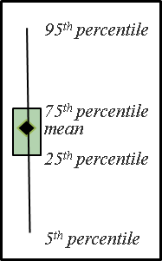
Source: U.S. Energy Information Administration analysis of Drillinginfo data accessed August 2017
Figure 2. Distribution of crude oil EUR in seven counties of the Eagle Ford, 2008-2016
Distribution of crude oil EUR in select counties
 | Mean | P75 | P95 | P5 | P25 | wells
DeWitt | 341.94889751 | 421.9694919 | 790.7574102 | 73.042564878 | 205.33548623 | 1081
Dimmit | 153.20759569 | 200.42420583 | 363.87484404 | 23.320600901 | 77.201180087 | 1309
Gonzales | 189.88199694 | 251.89349903 | 412.81549853 | 39.329304396 | 102.98445026 | 1211
Karnes | 239.8806041 | 298.82263921 | 500.40122647 | 66.457570753 | 143.92390207 | 2178
LaSalle | 170.05999258 | 214.41161452 | 347.95650897 | 40.86301503 | 103.25971198 | 1975
McMullen | 158.51407406 | 193.1229852 | 303.75819983 | 47.547530504 | 102.12101758 | 1282
Webb | 151.18845352 | 207.82888919 | 320.50177646 | 52.321726707 | 77.293454458 | 17

