Regions
State Name | State | Region | State Name | State | Region
Alabama | AL | South Central | Alberta | AB | Canada
Arizona | AZ | Mountain | British Columbia | BC | Canada
Arkansas | AR | South Central | Ontario | ON | Canada
California | CA | Pacific | New Brunswick | NB | Canada
Colorado | CO | Mountain | Manitoba | MB | Canada
Connecticut | CT | Northeast | Quebec | QU | Canada
Delaware | DE | Northeast | Saskatchewan | SK | Canada
District of Columbia | DC | Northeast | Mexico | MX | Mexico
Florida | FL | Southeast
Georgia | GA | Southeast
Gulf of America | GOA | Gulf of America
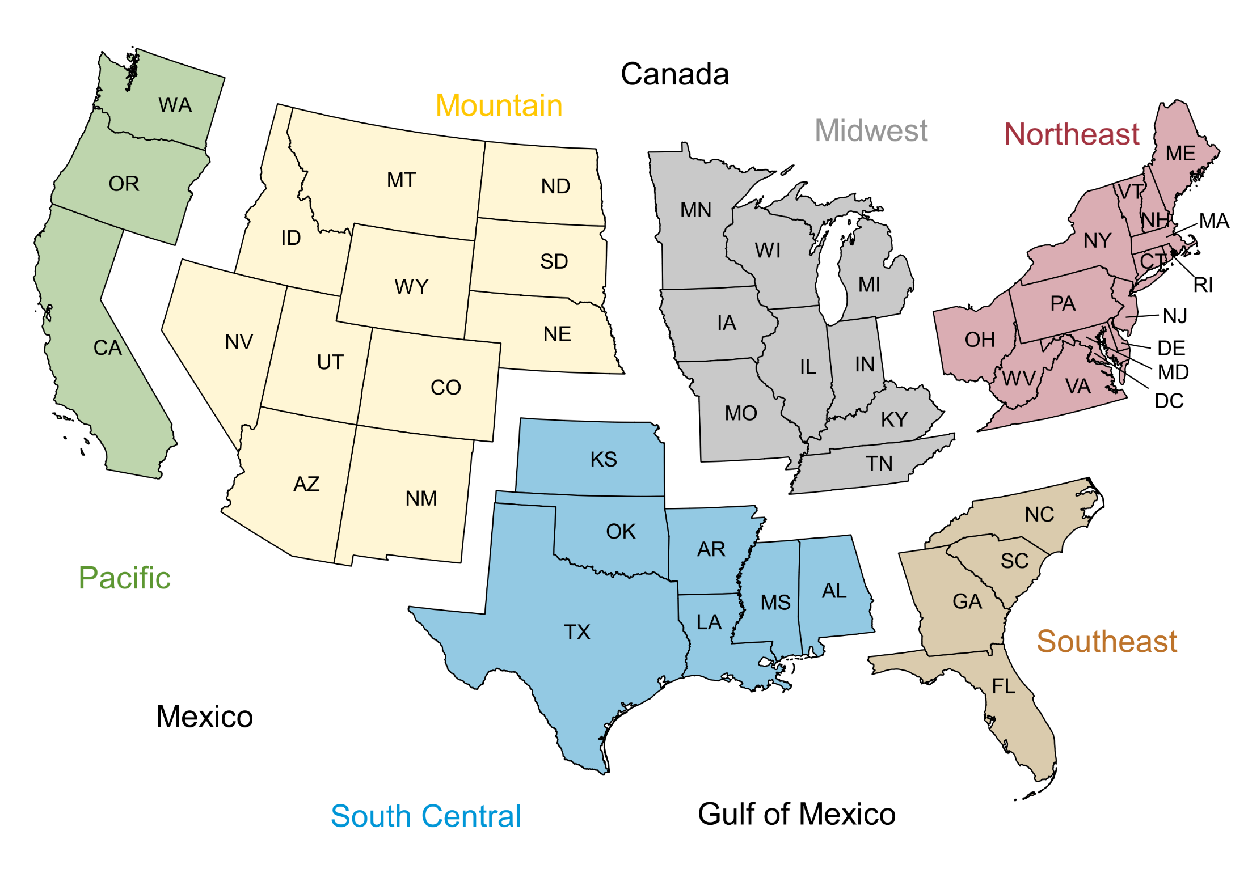
Idaho | ID | Mountain
Illinois | IL | Midwest
Indiana | IN | Midwest
Iowa | IA | Midwest
Kansas | KS | South Central
Kentucky | KY | Midwest
Louisiana | LA | South Central
Maine | ME | Northeast
Maryland | MD | Northeast
Massachusetts | MA | Northeast
Michigan | MI | Midwest
Minnesota | MN | Midwest
Mississippi | MS | South Central
Missouri | MO | Midwest
Montana | MT | Mountain
Nebraska | NE | Mountain
Nevada | NV | Mountain
New Hampshire | NH | Northeast
New Jersey | NJ | Northeast
New Mexico | NM | Mountain
New York | NY | Northeast
North Carolina | NC | Southeast
North Dakota | ND | Mountain
Ohio | OH | Northeast
Oklahoma | OK | South Central
Oregon | OR | Pacific
Pennsylvania | PA | Northeast
Rhode Island | RI | Northeast
South Carolina | SC | Southeast
South Dakota | SD | Mountain
Tennessee | TN | Midwest
Texas | TX | South Central
Utah | UT | Mountain
Vermont | VT | Northeast
Virginia | VA | Northeast
Washington | WA | Pacific
West Virginia | WV | Northeast
Wisconsin | WI | Midwest
Wyoming | WY | Mountain

